2.WHO COVID-19 Case Definitions
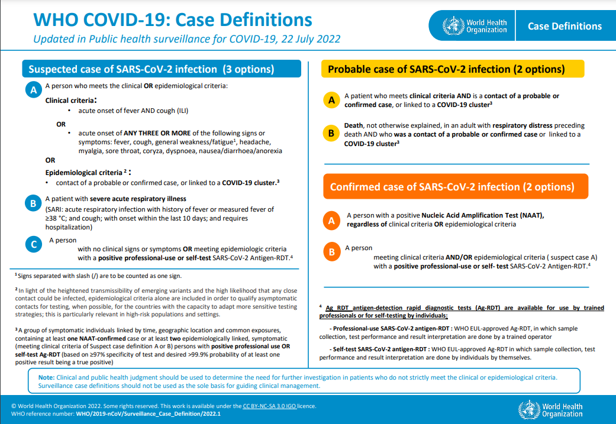

Source: | Public health surveillance for COVID-19 Interim guidance 7 August 2020
 | https://www.who.int/publications-detail-redirect/global-surveillance-for-covid-19-caused-by-human-infection-with-covid-19-virus-interim-guidance

